1. Title Page
[Instacart Basket Analysis]

Project Name: Instacart Basket Analysis
Date: August September and October 2025
A task that became a quest, then a challenge, and ultimately a journey.
But I made it.
Analyst Name: Daniela de Freitas

Contents:
Population Flow
Consistency checks
Wrangling steps
Column derivations
Visualizations
Recommendations

2. Population Flow
Title page

Population flow

Exclusion flag
Condition: max_order <
Obervations to be removed:
Final total count of order_products_all:

Orders_products_combined
Orders_products_merged
Orders_products_all

Total: 32,404,859
Total: 32,434,489
Total: 32,404,859

1.) The grey boxes in the first row of the population flow represent the original data sets as they were when you downloaded them. In the Total fields you need to add the count of the rows when you imported the data set into Jupyter.
2.) The second row of boxes (coloured) represents the data sets after you manipulated them, e.g., removed missing values and duplicates. In the Total fields you need to add the count of the rows after conducting these operations. This offers a visual oveview of how the data flows throughout the data consistency checks.
3.) The third row, where also the arrows are coloured, represents the merges you performed between the datasets. In the Total fields you need to add the count of the rows in the merged datasets, so that you end up with the final dataset (in the red box). Keep in mind the final dataset should be without exclusions (based on the exclusion flag).

3. Consistency checks
 |  |  |  | Title page
Consistency checks

Dataset | Missing values | Missing values treatment | Duplicates
orders | 206209 | nothing (1st time purchases) | 0
products | 16 | deletion | 5
orders_products_prior
customers

4. Wrangling steps
 |  |  |  | Title page
Wrangling steps -df_ords

Columns dropped | Columns renamed | Columns' type changed | Comment/Reason
eval_set |  |  | no need for it
 | order_dow to orders_day_of_week |  | better readability
 |  | order_id to str | user_id doesn't involve calculations.

5. Column derivations
 |  |  |  |  | Title page

Column derivations and aggregations

In this tab you should add tables below that the frequences of flags/label variables that you produced after deriving them. NB: don't do this for continuous variables, only for flags.
Dataset | New column | Column/s it was derived from | Conditions
ords_prods_merge | orders_affluence | orders_day_of_week
 | busiest_period_of_day | order_hour_of_day
 |  |  |  | What does this note mean? What am I supposed to answer in the row 'conditions'?

 |  |  |  | this was on 4.7

6. Visualizations
 |  |  |  |  |  |  |  | Title page

Visualisations

In this tab you should include all the visualtions from Exercises 4.9 and 4.10, alongside the questions from the project brief that they answer. Include any commentary on the relationship between different variables.



Question:
 | The sales team needs to know what the busiest days of the week and hours of the
 | day are (i.e., the days and times with the most orders) in order to schedule ads at
 | times when there are fewer orders.
Answer:
 | The histogram shows that the most popular hour to do orders are 10 and 11 in the morning, followed by 1, 2 and 3 in the afternoon, being high from 9am to 6pm.
 | The least popular hours are between midnight and 6 in the morning, being of low activity also from 7pm to 8am.

 |  | orders_day_of_week
 | Saturday | 0 6204182
 | Sunday | 1 5660230
 | Friday | 6 4496490
 | Monday | 2 4213830
 | Thursday | 5 4205791
 | Tuesday | 3 3840534
 | Wednesday | 4 3783802
 |  | Name: count, dtype: int64

 | Saturday has the highest frequency of orders, making it the busiest day, followed by Sunday.
 | Meanwhile, the value of 4, Wednesday, has the lowest frequency, making it the slowest day. The other slowest day is Tuesday.

Question:
 | They also want to know whether there are particular times of the day when people
 | spend the most money, as this might inform the type of products they advertise at
 | these times.
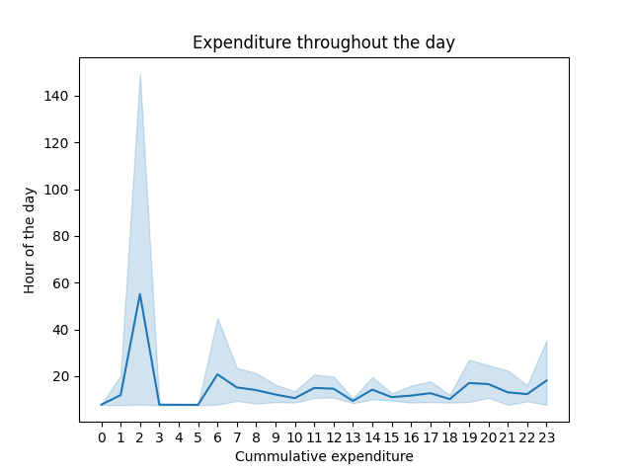

Answer:
 | It seems the most expensive orders were done between midnight and 5am.
 | They could be outliers, but also although there could be less orders during those hours but of higher expenditure.
 | Mentor: although there are less orders during these hours, there might be expensive purchases.
Question:
 | Instacart has a lot of products with different price tags. Marketing and sales want to
 | use simpler price range groupings to help direct their efforts.

 | Are there certain types of products that are more popular than others? The marketing
 | and sales teams want to know which departments have the highest frequency of
 | product orders.
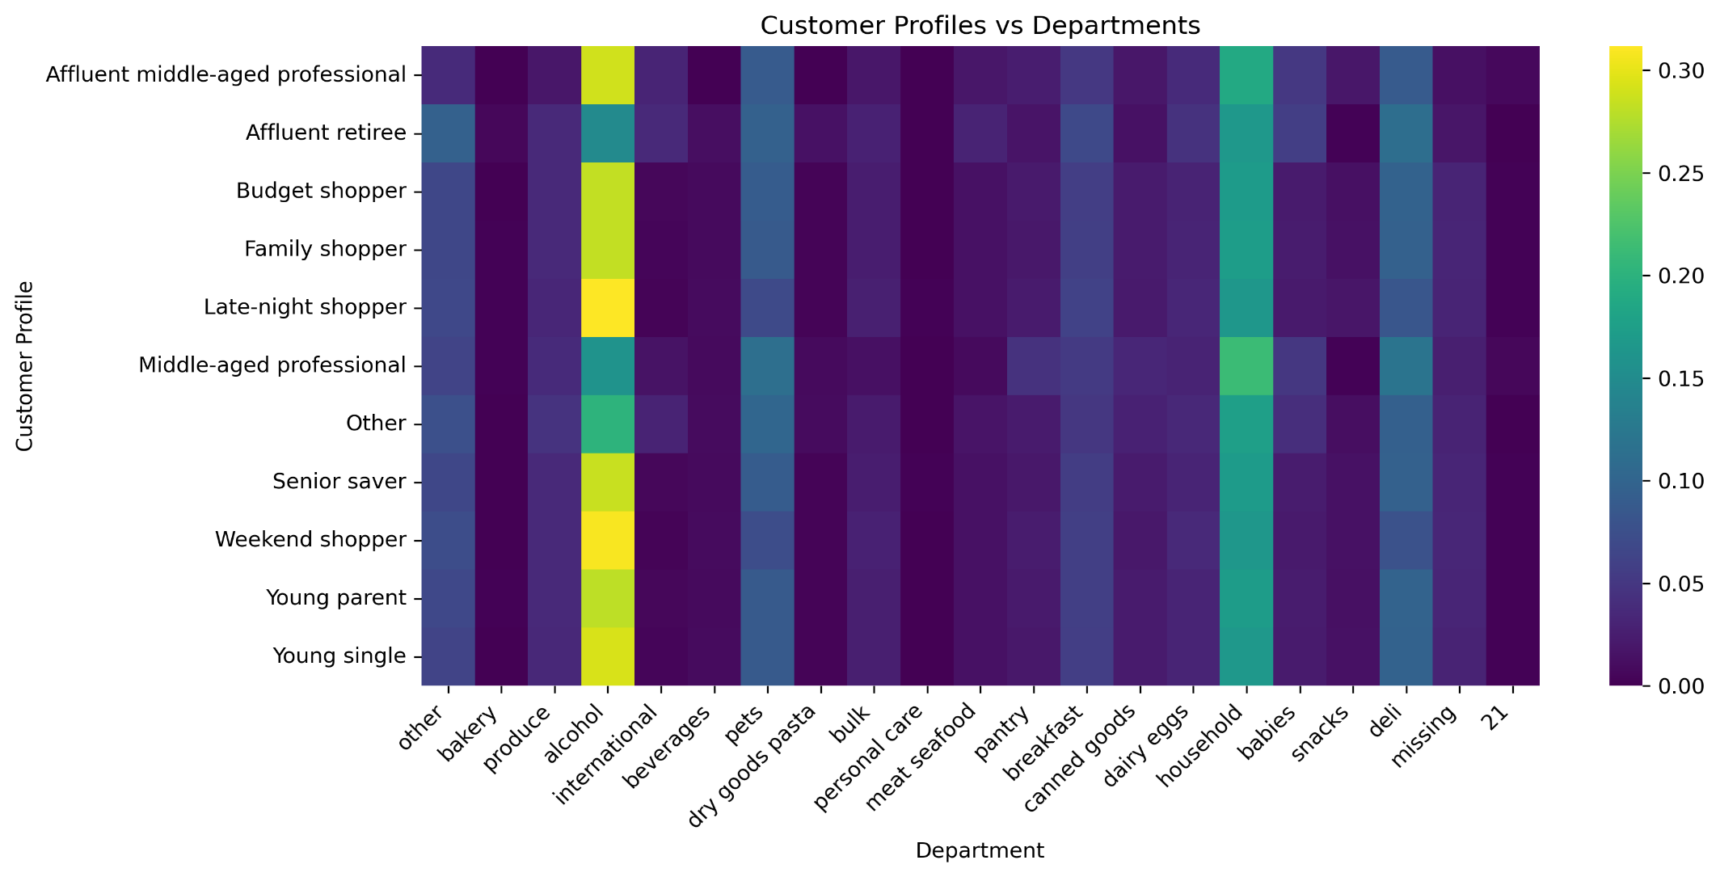

Answer:
 | Alcohol, household, deli, pets, other and breakfast are the departments, in decreasing order, the sell the most.
 | We didn't really explore which were the top 10 most sold products and their respective categories.
Question:
 | The marketing and sales teams are particularly interested in the different types of
 | customers in their system and how their ordering behaviors differ. For example:
 | What’s the distribution among users in regards to their brand loyalty (i.e., how
 | often do they return to Instacart)?


 |  |  |  |  | prices
 |  |  |  |  |  | mean | min | max
 |  |  |  |  | loyalty_flag
 |  |  |  |  | Loyal customer | 10.386336 | 1.0 | 99999.0
 |  |  |  |  | New customer | 13.294670 | 1.0 | 99999.0
 |  |  |  |  | Regular customer | 12.495717 | 1.0 | 99999.0

 |  |  |  |  | In this table of 4.8. we discovered that loyal customers spend the least per order.

 |  |  |  | New customer |  | less than 10 orders
 |  |  |  | Regular customer |  | between 11 and 40 orders
 |  |  |  | Loyal customer |  | more than 40 orders

Answer:
 | The customers that spend the most are the regular customers, meaning, the ones who have made between 11 and 40 orders. Followed by the loyal customers, who placed more than 40 orders, and then new customers, who placed less than 10.
Suggestion:
 | There would be other ways of complementing this question:
 | By plotting expenditures of these three labels of customers.

Question:
 | Are there differences in ordering habits based on a customer’s loyalty status?
Answer:
 | Yes, loyal customers purchase more often but spend less, whilst regular customers spend more but do it less often.
 | Looking at the averages, new customers spend more on average than any other but cumulatively, regular customers spend the most.

Question: |  |  | Suggestion:
 | Is there a connection between age and family status in terms of ordering |  |  | To the distribution of customer profiles, add another plot showing the relation between customer profiles and amount spent. (line chart) x axis is amount spent,
 | habits? |  |  |  |  |  |  |  |  |  | 7 lines, for each 7 top customer profiles.
 | What different classifications does the demographic information suggest? |  |  |  |  |  |  | Customer Profiling:
 | Age? Income? Certain types of goods? Family status? |  |  |  |  |  |  |  | choices = [ | conditions = [
Answer: |  |  |  |  |  |  |  |  | 'Young single', | (active_customers['age'] < 30) & (active_customers['n_dependants'] == 0),
 | The first two plots helped defining the customer profiles. The five profiles that use instacart the most are: |  |  |  |  |  |  |  | 'Young parent', | (active_customers['age'] < 35) & (active_customers['n_dependants'] >= 1),
 | Weekend shopper |  |  |  |  |  |  |  | 'Middle-aged professional', | (active_customers['age'].between(30,49)) & (active_customers['income'] > 200000) & (active_customers['income'] < 300000) & (active_customers['n_dependants'] <= 1),
 | Senior saver |  |  |  |  |  |  |  | 'Affluent middle-aged professional', | (active_customers['age'].between(30, 49)) & (active_customers['income'] > 400000) & (active_customers['n_dependants'] <= 1),
 | Budget shopper |  |  |  |  |  |  |  | 'Family shopper', | (active_customers['age'].between(30, 49)) & (active_customers['n_dependants'] >= 2),
 | Young parent |  |  |  |  |  |  |  | 'Senior saver', | (active_customers['age'] >= 60) & (active_customers['income'] < 200000),
 | Family shopper |  |  |  |  |  |  |  | 'Affluent retiree', | (active_customers['age'] >= 60) & (active_customers['income'] >= 400000),
 |  |  |  |  |  |  |  |  | 'Budget shopper' | (active_customers['income'] < 200000)
 | The first three groups are defined by age and income and the last two by age and family size. |  |  |  |  |  |  |  | Late Night shopper' | active_customers.loc[active_customers['order_hour_of_day'] >= 21, 'customer_profile'] = 'Late-night shopper'
 | The trends for certaing types of goods seem even throughout the different profiles. |  |  |  |  |  |  |  | Weekend shopper' | active_customers.loc[active_customers['orders_day_of_week'].isin([0,6]), 'customer_profile'] = 'Weekend shopper'
 |  |  |  |  |  |  |  |  | ] | ]

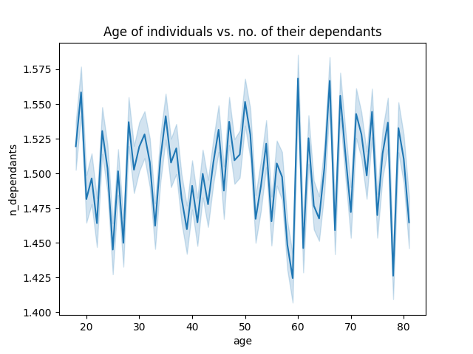
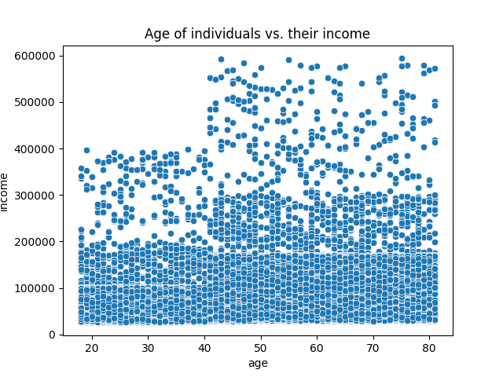

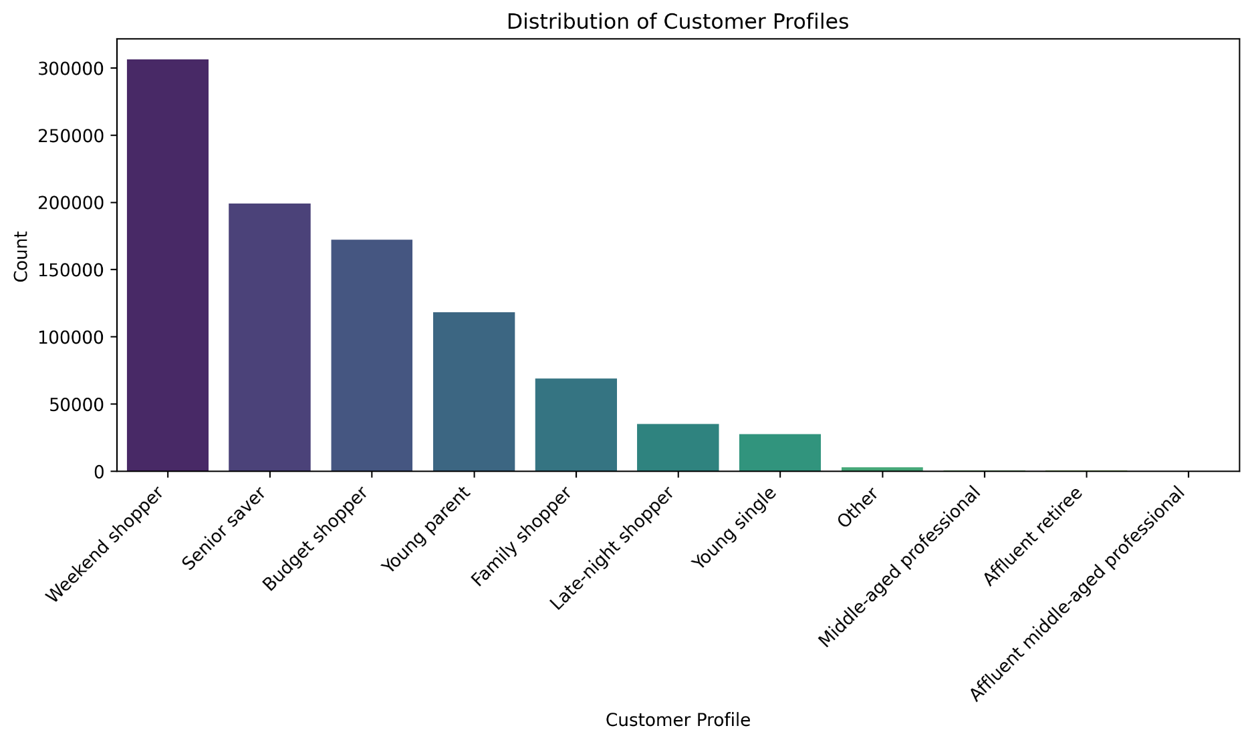


 | there's no trend. |  | no correlation. It doesnt tell much about income vs age.

Question:
 | What differences can you find in ordering habits of different customer
 | profiles? Consider the price of orders, the frequency of orders, the products
 | customers are ordering, and anything else you can think of.
Answer: |  |  | Suggestions:
 | It seems the interests in certain types of goods is even throughout the customer profiles. |  |  | Since alcohol is the most profitable consumable, it would be interesting to understand which types of consumables are the most sold according to the hour of the day and the day of the week.
 | The manjority of the clients place their orders on weekdays.
 | The greatest purchasers are also individuals of lower income.
Question:
 | Are there differences in ordering habits based on a customer’s region?
Answer:
 | From this plot we can see that affluent middle aged professionals from the midwest is the most dominant group. The least dominant is the affluent middle aged from the west.
 | In contrast, for the middle aged professionals, the most dominant customers come drom the west and athe least from the midwest.
 | The northeasterners seem to have a even distribution throughout the customer profiles.

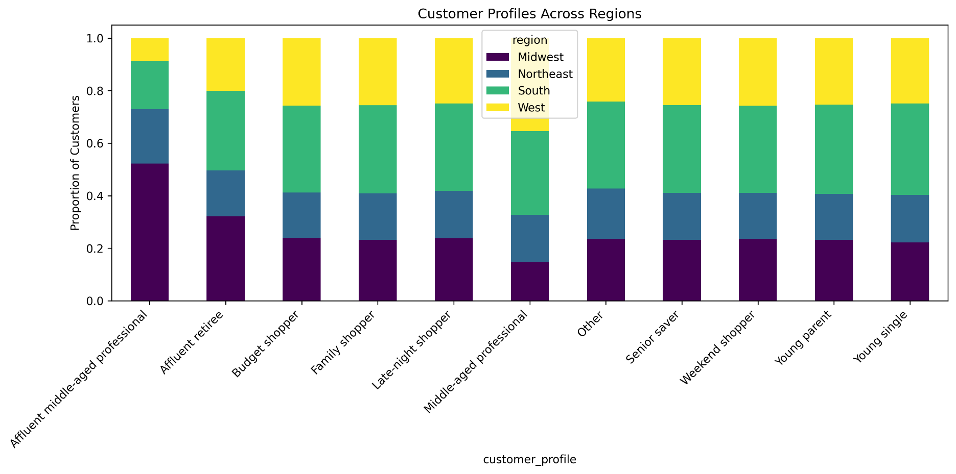
 |  |  |  |  |  |  | Suggestions:
 |  |  |  |  |  |  |  | To understand customer profiling, ordering habits accross regions it would be interesting to:
 |  |  |  |  |  |  |  | 4 charts: x label customer profile; y axis: frequency of orders (but using only the top 5 products); amount; products
 |  |  |  |  |  |  |  | divide them with average frequency of orders or expenditure against the customer profiles. Stacked bar charts.

7. Recommendations
 |  | Title page

Recommendations

In this tab you should include any recommendations you would made to Instcart in terms of their marketing strategy based on the questions posed in the brief. Every key question has been covered in the Tasks of the Exercises - here you need to add an item - a visualisation or table/crosstable that is showing the answer in the data, acompanied by a comment from you. Please, list the questions below and add the answer underneath.

Question | Suggestion:
The marketing and sales teams are particularly interested in the different types of | There would be other ways of complementing this question:
customers in their system and how their ordering behaviors differ. For example: | By plotting expenditures of these three labels of customers.
What’s the distribution among users in regards to their brand loyalty (i.e., how
often do they return to Instacart)?
Question | Suggestion:
Are there differences in ordering habits based on a customer’s loyalty status? | To the distribution of customer profiles, add another plot showing the relation between customer profiles and amount spent. (line chart) x axis is amount spent,
Question | Suggestion:
What differences can you find in ordering habits of different customer | Since alcohol is the most profitable consumable, it would be interesting to understand which types of consumables are the most sold according to the hour of the day and the day of the week.
profiles? Consider the price of orders, the frequency of orders, the products
customers are ordering, and anything else you can think of.
Question | Suggestion:
Are there differences in ordering habits based on a customer’s region? | To understand customer profiling, ordering habits accross regions it would be interesting to:
 | 4 charts: x label customer profile; y axis: frequency of orders (but using only the top 5 products); amount; products
 | divide them with average frequency of orders or expenditure against the customer profiles. Stacked bar charts.

